Problem 19
 |  | Customer # | Inter-Arrival Time | Actual Arrival Time | Service Time | Earliest Possible Time to Start | Actual Start Time | End Time | Queue Wait Time | Number of servers 1
Average arrival per hour(lamda) | 10 | 1 | #NAME? | #NAME? | #NAME? | 0 | #NAME? | #NAME? | #NAME? | There are 5% of simulation case that the avg queue time/waiting are under 12.1 minutes.
Average inter arrival time | 6 | 2 | #NAME? | #NAME? | #NAME? | 0 | #NAME? | #NAME? | #NAME? | There are 5% of simulation case that the avg queue time/waiting are above 57.7 minutes.
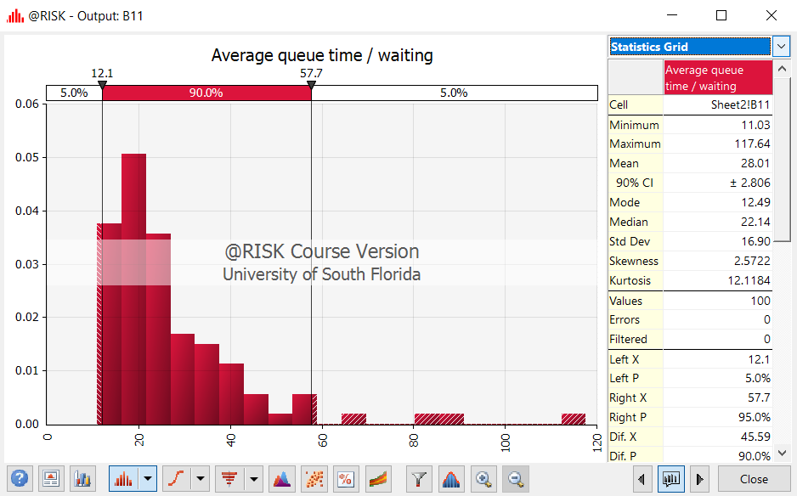
Average # served per hour (Mu) | 12 | 3 | #NAME? | #NAME? | #NAME? | 0 | #NAME? | #NAME? | #NAME?
Average time for service | 5 | 4 | #NAME? | #NAME? | #NAME? | #NAME? | #NAME? | #NAME? | #NAME?
Number of servers | 3 | 5 | #NAME? | #NAME? | #NAME? | #NAME? | #NAME? | #NAME? | #NAME?
System Rho | 0.27777777778 | 6 | #NAME? | #NAME? | #NAME? | #NAME? | #NAME? | #NAME? | #NAME?
Working hours per day | 8 | 7 | #NAME? | #NAME? | #NAME? | #NAME? | #NAME? | #NAME? | #NAME?
 |  | 8 | #NAME? | #NAME? | #NAME? | #NAME? | #NAME? | #NAME? | #NAME?
Average Queue time | #NAME? | 9 | #NAME? | #NAME? | #NAME? | #NAME? | #NAME? | #NAME? | #NAME?
Average queue time / waiting | #NAME? | 10 | #NAME? | #NAME? | #NAME? | #NAME? | #NAME? | #NAME? | #NAME?
Max waiting time | #NAME? | 11 | #NAME? | #NAME? | #NAME? | #NAME? | #NAME? | #NAME? | #NAME?
Customers Served in 8 hrs. | #NAME? | 12 | #NAME? | #NAME? | #NAME? | #NAME? | #NAME? | #NAME? | #NAME?
 |  | 13 | #NAME? | #NAME? | #NAME? | #NAME? | #NAME? | #NAME? | #NAME?
 |  | 14 | #NAME? | #NAME? | #NAME? | #NAME? | #NAME? | #NAME? | #NAME?
Percentiles on waiting time |  | 15 | #NAME? | #NAME? | #NAME? | #NAME? | #NAME? | #NAME? | #NAME?
10% | #NAME? | 16 | #NAME? | #NAME? | #NAME? | #NAME? | #NAME? | #NAME? | #NAME?
20% | #NAME? | 17 | #NAME? | #NAME? | #NAME? | #NAME? | #NAME? | #NAME? | #NAME?
30% | #NAME? | 18 | #NAME? | #NAME? | #NAME? | #NAME? | #NAME? | #NAME? | #NAME?
40% | #NAME? | 19 | #NAME? | #NAME? | #NAME? | #NAME? | #NAME? | #NAME? | #NAME?
50% | #NAME? | 20 | #NAME? | #NAME? | #NAME? | #NAME? | #NAME? | #NAME? | #NAME?
60% | #NAME? | 21 | #NAME? | #NAME? | #NAME? | #NAME? | #NAME? | #NAME? | #NAME?
70% | #NAME? | 22 | #NAME? | #NAME? | #NAME? | #NAME? | #NAME? | #NAME? | #NAME?
80% | #NAME? | 23 | #NAME? | #NAME? | #NAME? | #NAME? | #NAME? | #NAME? | #NAME?
90% | #NAME? | 24 | #NAME? | #NAME? | #NAME? | #NAME? | #NAME? | #NAME? | #NAME?
100% | #NAME? | 25 | #NAME? | #NAME? | #NAME? | #NAME? | #NAME? | #NAME? | #NAME? | Number of servers 2
 |  | 26 | #NAME? | #NAME? | #NAME? | #NAME? | #NAME? | #NAME? | #NAME? | There are 5% of simulation case that the avg queue time/waiting are under 2.85 minutes.
Average length of queue | 5 | 27 | #NAME? | #NAME? | #NAME? | #NAME? | #NAME? | #NAME? | #NAME? | There are 5% of simulation case that the avg queue time/waiting are above 7.03 minutes.
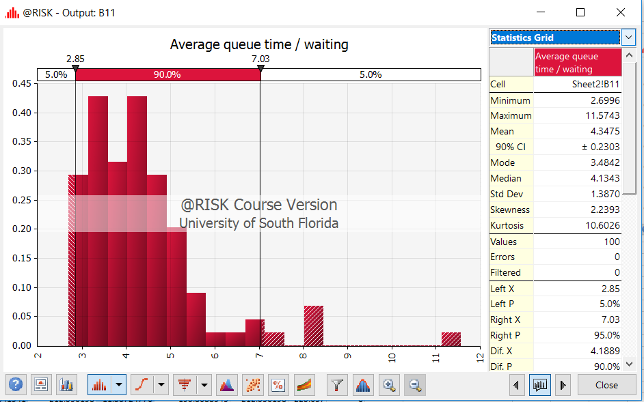
Average length of system | 1.3888888889 | 28 | #NAME? | #NAME? | #NAME? | #NAME? | #NAME? | #NAME? | #NAME?
P(0) | 0.72222222222 | 29 | #NAME? | #NAME? | #NAME? | #NAME? | #NAME? | #NAME? | #NAME?
P(3) | 0.0154797287 | 30 | #NAME? | #NAME? | #NAME? | #NAME? | #NAME? | #NAME? | #NAME?
Pn(>3) | 0.0059537418077 | 31 | #NAME? | #NAME? | #NAME? | #NAME? | #NAME? | #NAME? | #NAME?
Utilization of inspector | 0.27777777778 | 32 | #NAME? | #NAME? | #NAME? | #NAME? | #NAME? | #NAME? | #NAME?
Probability of 3 or more | 0.021433470508 | 33 | #NAME? | #NAME? | #NAME? | #NAME? | #NAME? | #NAME? | #NAME?
 |  | 34 | #NAME? | #NAME? | #NAME? | #NAME? | #NAME? | #NAME? | #NAME?
 |  | 35 | #NAME? | #NAME? | #NAME? | #NAME? | #NAME? | #NAME? | #NAME?
 |  | 36 | #NAME? | #NAME? | #NAME? | #NAME? | #NAME? | #NAME? | #NAME?
 |  | 37 | #NAME? | #NAME? | #NAME? | #NAME? | #NAME? | #NAME? | #NAME?
 |  | 38 | #NAME? | #NAME? | #NAME? | #NAME? | #NAME? | #NAME? | #NAME?
 |  | 39 | #NAME? | #NAME? | #NAME? | #NAME? | #NAME? | #NAME? | #NAME?
 |  | 40 | #NAME? | #NAME? | #NAME? | #NAME? | #NAME? | #NAME? | #NAME?
 |  | 41 | #NAME? | #NAME? | #NAME? | #NAME? | #NAME? | #NAME? | #NAME?
 |  | 42 | #NAME? | #NAME? | #NAME? | #NAME? | #NAME? | #NAME? | #NAME?
 |  | 43 | #NAME? | #NAME? | #NAME? | #NAME? | #NAME? | #NAME? | #NAME?
 |  | 44 | #NAME? | #NAME? | #NAME? | #NAME? | #NAME? | #NAME? | #NAME?
 |  | 45 | #NAME? | #NAME? | #NAME? | #NAME? | #NAME? | #NAME? | #NAME?
 |  | 46 | #NAME? | #NAME? | #NAME? | #NAME? | #NAME? | #NAME? | #NAME?
 |  | 47 | #NAME? | #NAME? | #NAME? | #NAME? | #NAME? | #NAME? | #NAME?
 |  | 48 | #NAME? | #NAME? | #NAME? | #NAME? | #NAME? | #NAME? | #NAME?
 |  | 49 | #NAME? | #NAME? | #NAME? | #NAME? | #NAME? | #NAME? | #NAME?
 |  | 50 | #NAME? | #NAME? | #NAME? | #NAME? | #NAME? | #NAME? | #NAME?
 |  | 51 | #NAME? | #NAME? | #NAME? | #NAME? | #NAME? | #NAME? | #NAME?
 |  | 52 | #NAME? | #NAME? | #NAME? | #NAME? | #NAME? | #NAME? | #NAME?
 |  | 53 | #NAME? | #NAME? | #NAME? | #NAME? | #NAME? | #NAME? | #NAME? | Number of servers 3
 |  | 54 | #NAME? | #NAME? | #NAME? | #NAME? | #NAME? | #NAME? | #NAME? | There are 5% of simulation case that the avg queue time/waiting are under 1.175 minutes.
 |  | 55 | #NAME? | #NAME? | #NAME? | #NAME? | #NAME? | #NAME? | #NAME? | There are 5% of simulation case that the avg queue time/waiting are above 3.734 minutes.
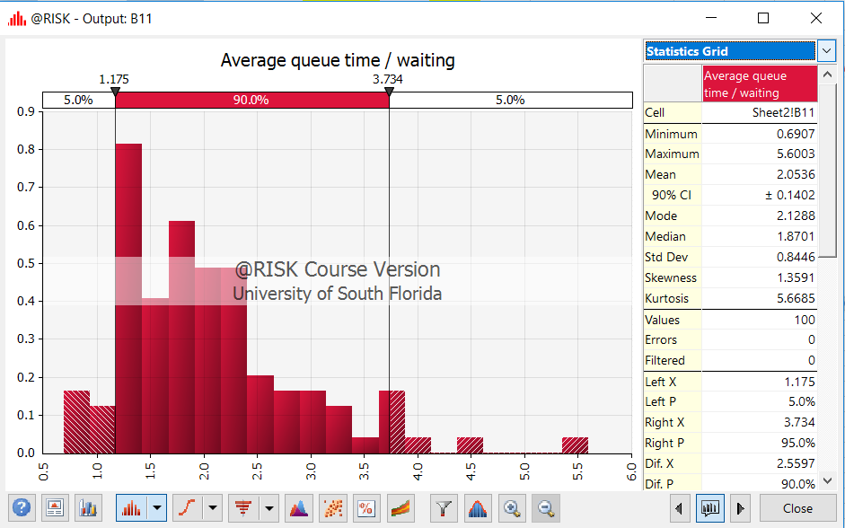
 |  | 56 | #NAME? | #NAME? | #NAME? | #NAME? | #NAME? | #NAME? | #NAME?
 |  | 57 | #NAME? | #NAME? | #NAME? | #NAME? | #NAME? | #NAME? | #NAME?
 |  | 58 | #NAME? | #NAME? | #NAME? | #NAME? | #NAME? | #NAME? | #NAME?
 |  | 59 | #NAME? | #NAME? | #NAME? | #NAME? | #NAME? | #NAME? | #NAME?
 |  | 60 | #NAME? | #NAME? | #NAME? | #NAME? | #NAME? | #NAME? | #NAME?
 |  | 61 | #NAME? | #NAME? | #NAME? | #NAME? | #NAME? | #NAME? | #NAME?
 |  | 62 | #NAME? | #NAME? | #NAME? | #NAME? | #NAME? | #NAME? | #NAME?
 |  | 63 | #NAME? | #NAME? | #NAME? | #NAME? | #NAME? | #NAME? | #NAME?
 |  | 64 | #NAME? | #NAME? | #NAME? | #NAME? | #NAME? | #NAME? | #NAME?
 |  | 65 | #NAME? | #NAME? | #NAME? | #NAME? | #NAME? | #NAME? | #NAME?
 |  | 66 | #NAME? | #NAME? | #NAME? | #NAME? | #NAME? | #NAME? | #NAME?
 |  | 67 | #NAME? | #NAME? | #NAME? | #NAME? | #NAME? | #NAME? | #NAME?
 |  | 68 | #NAME? | #NAME? | #NAME? | #NAME? | #NAME? | #NAME? | #NAME?
 |  | 69 | #NAME? | #NAME? | #NAME? | #NAME? | #NAME? | #NAME? | #NAME?
 |  | 70 | #NAME? | #NAME? | #NAME? | #NAME? | #NAME? | #NAME? | #NAME?
 |  | 71 | #NAME? | #NAME? | #NAME? | #NAME? | #NAME? | #NAME? | #NAME?
 |  | 72 | #NAME? | #NAME? | #NAME? | #NAME? | #NAME? | #NAME? | #NAME?
 |  | 73 | #NAME? | #NAME? | #NAME? | #NAME? | #NAME? | #NAME? | #NAME?
 |  | 74 | #NAME? | #NAME? | #NAME? | #NAME? | #NAME? | #NAME? | #NAME?
 |  | 75 | #NAME? | #NAME? | #NAME? | #NAME? | #NAME? | #NAME? | #NAME?
 |  | 76 | #NAME? | #NAME? | #NAME? | #NAME? | #NAME? | #NAME? | #NAME?
 |  | 77 | #NAME? | #NAME? | #NAME? | #NAME? | #NAME? | #NAME? | #NAME?
 |  | 78 | #NAME? | #NAME? | #NAME? | #NAME? | #NAME? | #NAME? | #NAME?
 |  | 79 | #NAME? | #NAME? | #NAME? | #NAME? | #NAME? | #NAME? | #NAME?
 |  | 80 | #NAME? | #NAME? | #NAME? | #NAME? | #NAME? | #NAME? | #NAME?
 |  | 81 | #NAME? | #NAME? | #NAME? | #NAME? | #NAME? | #NAME? | #NAME?
 |  | 82 | #NAME? | #NAME? | #NAME? | #NAME? | #NAME? | #NAME? | #NAME?
 |  | 83 | #NAME? | #NAME? | #NAME? | #NAME? | #NAME? | #NAME? | #NAME?
 |  | 84 | #NAME? | #NAME? | #NAME? | #NAME? | #NAME? | #NAME? | #NAME?
 |  | 85 | #NAME? | #NAME? | #NAME? | #NAME? | #NAME? | #NAME? | #NAME?
 |  | 86 | #NAME? | #NAME? | #NAME? | #NAME? | #NAME? | #NAME? | #NAME?
 |  | 87 | #NAME? | #NAME? | #NAME? | #NAME? | #NAME? | #NAME? | #NAME?
 |  | 88 | #NAME? | #NAME? | #NAME? | #NAME? | #NAME? | #NAME? | #NAME?
 |  | 89 | #NAME? | #NAME? | #NAME? | #NAME? | #NAME? | #NAME? | #NAME?
 |  | 90 | #NAME? | #NAME? | #NAME? | #NAME? | #NAME? | #NAME? | #NAME?
 |  | 91 | #NAME? | #NAME? | #NAME? | #NAME? | #NAME? | #NAME? | #NAME?
 |  | 92 | #NAME? | #NAME? | #NAME? | #NAME? | #NAME? | #NAME? | #NAME?
 |  | 93 | #NAME? | #NAME? | #NAME? | #NAME? | #NAME? | #NAME? | #NAME?
 |  | 94 | #NAME? | #NAME? | #NAME? | #NAME? | #NAME? | #NAME? | #NAME?
 |  | 95 | #NAME? | #NAME? | #NAME? | #NAME? | #NAME? | #NAME? | #NAME?
 |  | 96 | #NAME? | #NAME? | #NAME? | #NAME? | #NAME? | #NAME? | #NAME?
 |  | 97 | #NAME? | #NAME? | #NAME? | #NAME? | #NAME? | #NAME? | #NAME?
 |  | 98 | #NAME? | #NAME? | #NAME? | #NAME? | #NAME? | #NAME? | #NAME?
 |  | 99 | #NAME? | #NAME? | #NAME? | #NAME? | #NAME? | #NAME? | #NAME?
 |  | 100 | #NAME? | #NAME? | #NAME? | #NAME? | #NAME? | #NAME? | #NAME?
 |  | 101 | #NAME? | #NAME? | #NAME? | #NAME? | #NAME? | #NAME? | #NAME?
 |  | 102 | #NAME? | #NAME? | #NAME? | #NAME? | #NAME? | #NAME? | #NAME?
 |  | 103 | #NAME? | #NAME? | #NAME? | #NAME? | #NAME? | #NAME? | #NAME?
 |  | 104 | #NAME? | #NAME? | #NAME? | #NAME? | #NAME? | #NAME? | #NAME?
 |  | 105 | #NAME? | #NAME? | #NAME? | #NAME? | #NAME? | #NAME? | #NAME?
 |  | 106 | #NAME? | #NAME? | #NAME? | #NAME? | #NAME? | #NAME? | #NAME?
 |  | 107 | #NAME? | #NAME? | #NAME? | #NAME? | #NAME? | #NAME? | #NAME?
 |  | 108 | #NAME? | #NAME? | #NAME? | #NAME? | #NAME? | #NAME? | #NAME?
 |  | 109 | #NAME? | #NAME? | #NAME? | #NAME? | #NAME? | #NAME? | #NAME?
 |  | 110 | #NAME? | #NAME? | #NAME? | #NAME? | #NAME? | #NAME? | #NAME?
 |  | 111 | #NAME? | #NAME? | #NAME? | #NAME? | #NAME? | #NAME? | #NAME?
 |  | 112 | #NAME? | #NAME? | #NAME? | #NAME? | #NAME? | #NAME? | #NAME?
 |  | 113 | #NAME? | #NAME? | #NAME? | #NAME? | #NAME? | #NAME? | #NAME?
 |  | 114 | #NAME? | #NAME? | #NAME? | #NAME? | #NAME? | #NAME? | #NAME?
 |  | 115 | #NAME? | #NAME? | #NAME? | #NAME? | #NAME? | #NAME? | #NAME?
 |  | 116 | #NAME? | #NAME? | #NAME? | #NAME? | #NAME? | #NAME? | #NAME?
 |  | 117 | #NAME? | #NAME? | #NAME? | #NAME? | #NAME? | #NAME? | #NAME?
 |  | 118 | #NAME? | #NAME? | #NAME? | #NAME? | #NAME? | #NAME? | #NAME?
 |  | 119 | #NAME? | #NAME? | #NAME? | #NAME? | #NAME? | #NAME? | #NAME?
 |  | 120 | #NAME? | #NAME? | #NAME? | #NAME? | #NAME? | #NAME? | #NAME?
 |  | 121 | #NAME? | #NAME? | #NAME? | #NAME? | #NAME? | #NAME? | #NAME?
 |  | 122 | #NAME? | #NAME? | #NAME? | #NAME? | #NAME? | #NAME? | #NAME?
 |  | 123 | #NAME? | #NAME? | #NAME? | #NAME? | #NAME? | #NAME? | #NAME?
 |  | 124 | #NAME? | #NAME? | #NAME? | #NAME? | #NAME? | #NAME? | #NAME?
 |  | 125 | #NAME? | #NAME? | #NAME? | #NAME? | #NAME? | #NAME? | #NAME?
 |  | 126 | #NAME? | #NAME? | #NAME? | #NAME? | #NAME? | #NAME? | #NAME?
 |  | 127 | #NAME? | #NAME? | #NAME? | #NAME? | #NAME? | #NAME? | #NAME?
 |  | 128 | #NAME? | #NAME? | #NAME? | #NAME? | #NAME? | #NAME? | #NAME?
 |  | 129 | #NAME? | #NAME? | #NAME? | #NAME? | #NAME? | #NAME? | #NAME?
 |  | 130 | #NAME? | #NAME? | #NAME? | #NAME? | #NAME? | #NAME? | #NAME?
 |  | 131 | #NAME? | #NAME? | #NAME? | #NAME? | #NAME? | #NAME? | #NAME?
 |  | 132 | #NAME? | #NAME? | #NAME? | #NAME? | #NAME? | #NAME? | #NAME?
 |  | 133 | #NAME? | #NAME? | #NAME? | #NAME? | #NAME? | #NAME? | #NAME?
 |  | 134 | #NAME? | #NAME? | #NAME? | #NAME? | #NAME? | #NAME? | #NAME?
 |  | 135 | #NAME? | #NAME? | #NAME? | #NAME? | #NAME? | #NAME? | #NAME?
 |  | 136 | #NAME? | #NAME? | #NAME? | #NAME? | #NAME? | #NAME? | #NAME?
 |  | 137 | #NAME? | #NAME? | #NAME? | #NAME? | #NAME? | #NAME? | #NAME?
 |  | 138 | #NAME? | #NAME? | #NAME? | #NAME? | #NAME? | #NAME? | #NAME?
 |  | 139 | #NAME? | #NAME? | #NAME? | #NAME? | #NAME? | #NAME? | #NAME?
 |  | 140 | #NAME? | #NAME? | #NAME? | #NAME? | #NAME? | #NAME? | #NAME?
 |  | 141 | #NAME? | #NAME? | #NAME? | #NAME? | #NAME? | #NAME? | #NAME?
 |  | 142 | #NAME? | #NAME? | #NAME? | #NAME? | #NAME? | #NAME? | #NAME?
 |  | 143 | #NAME? | #NAME? | #NAME? | #NAME? | #NAME? | #NAME? | #NAME?
 |  | 144 | #NAME? | #NAME? | #NAME? | #NAME? | #NAME? | #NAME? | #NAME?
 |  | 145 | #NAME? | #NAME? | #NAME? | #NAME? | #NAME? | #NAME? | #NAME?
 |  | 146 | #NAME? | #NAME? | #NAME? | #NAME? | #NAME? | #NAME? | #NAME?
 |  | 147 | #NAME? | #NAME? | #NAME? | #NAME? | #NAME? | #NAME? | #NAME?
 |  | 148 | #NAME? | #NAME? | #NAME? | #NAME? | #NAME? | #NAME? | #NAME?
 |  | 149 | #NAME? | #NAME? | #NAME? | #NAME? | #NAME? | #NAME? | #NAME?
 |  | 150 | #NAME? | #NAME? | #NAME? | #NAME? | #NAME? | #NAME? | #NAME?
 |  | 151 | #NAME? | #NAME? | #NAME? | #NAME? | #NAME? | #NAME? | #NAME?
 |  | 152 | #NAME? | #NAME? | #NAME? | #NAME? | #NAME? | #NAME? | #NAME?
 |  | 153 | #NAME? | #NAME? | #NAME? | #NAME? | #NAME? | #NAME? | #NAME?
 |  | 154 | #NAME? | #NAME? | #NAME? | #NAME? | #NAME? | #NAME? | #NAME?
 |  | 155 | #NAME? | #NAME? | #NAME? | #NAME? | #NAME? | #NAME? | #NAME?
 |  | 156 | #NAME? | #NAME? | #NAME? | #NAME? | #NAME? | #NAME? | #NAME?
 |  | 157 | #NAME? | #NAME? | #NAME? | #NAME? | #NAME? | #NAME? | #NAME?
 |  | 158 | #NAME? | #NAME? | #NAME? | #NAME? | #NAME? | #NAME? | #NAME?
 |  | 159 | #NAME? | #NAME? | #NAME? | #NAME? | #NAME? | #NAME? | #NAME?
 |  | 160 | #NAME? | #NAME? | #NAME? | #NAME? | #NAME? | #NAME? | #NAME?
 |  | 161 | #NAME? | #NAME? | #NAME? | #NAME? | #NAME? | #NAME? | #NAME?
 |  | 162 | #NAME? | #NAME? | #NAME? | #NAME? | #NAME? | #NAME? | #NAME?
 |  | 163 | #NAME? | #NAME? | #NAME? | #NAME? | #NAME? | #NAME? | #NAME?
 |  | 164 | #NAME? | #NAME? | #NAME? | #NAME? | #NAME? | #NAME? | #NAME?
 |  | 165 | #NAME? | #NAME? | #NAME? | #NAME? | #NAME? | #NAME? | #NAME?
 |  | 166 | #NAME? | #NAME? | #NAME? | #NAME? | #NAME? | #NAME? | #NAME?
 |  | 167 | #NAME? | #NAME? | #NAME? | #NAME? | #NAME? | #NAME? | #NAME?
 |  | 168 | #NAME? | #NAME? | #NAME? | #NAME? | #NAME? | #NAME? | #NAME?
 |  | 169 | #NAME? | #NAME? | #NAME? | #NAME? | #NAME? | #NAME? | #NAME?
 |  | 170 | #NAME? | #NAME? | #NAME? | #NAME? | #NAME? | #NAME? | #NAME?
 |  | 171 | #NAME? | #NAME? | #NAME? | #NAME? | #NAME? | #NAME? | #NAME?
 |  | 172 | #NAME? | #NAME? | #NAME? | #NAME? | #NAME? | #NAME? | #NAME?
 |  | 173 | #NAME? | #NAME? | #NAME? | #NAME? | #NAME? | #NAME? | #NAME?
 |  | 174 | #NAME? | #NAME? | #NAME? | #NAME? | #NAME? | #NAME? | #NAME?
 |  | 175 | #NAME? | #NAME? | #NAME? | #NAME? | #NAME? | #NAME? | #NAME?
 |  | 176 | #NAME? | #NAME? | #NAME? | #NAME? | #NAME? | #NAME? | #NAME?
 |  | 177 | #NAME? | #NAME? | #NAME? | #NAME? | #NAME? | #NAME? | #NAME?
 |  | 178 | #NAME? | #NAME? | #NAME? | #NAME? | #NAME? | #NAME? | #NAME?
 |  | 179 | #NAME? | #NAME? | #NAME? | #NAME? | #NAME? | #NAME? | #NAME?
 |  | 180 | #NAME? | #NAME? | #NAME? | #NAME? | #NAME? | #NAME? | #NAME?
 |  | 181 | #NAME? | #NAME? | #NAME? | #NAME? | #NAME? | #NAME? | #NAME?
 |  | 182 | #NAME? | #NAME? | #NAME? | #NAME? | #NAME? | #NAME? | #NAME?
 |  | 183 | #NAME? | #NAME? | #NAME? | #NAME? | #NAME? | #NAME? | #NAME?
 |  | 184 | #NAME? | #NAME? | #NAME? | #NAME? | #NAME? | #NAME? | #NAME?
 |  | 185 | #NAME? | #NAME? | #NAME? | #NAME? | #NAME? | #NAME? | #NAME?
 |  | 186 | #NAME? | #NAME? | #NAME? | #NAME? | #NAME? | #NAME? | #NAME?
 |  | 187 | #NAME? | #NAME? | #NAME? | #NAME? | #NAME? | #NAME? | #NAME?
 |  | 188 | #NAME? | #NAME? | #NAME? | #NAME? | #NAME? | #NAME? | #NAME?
 |  | 189 | #NAME? | #NAME? | #NAME? | #NAME? | #NAME? | #NAME? | #NAME?
 |  | 190 | #NAME? | #NAME? | #NAME? | #NAME? | #NAME? | #NAME? | #NAME?
 |  | 191 | #NAME? | #NAME? | #NAME? | #NAME? | #NAME? | #NAME? | #NAME?
 |  | 192 | #NAME? | #NAME? | #NAME? | #NAME? | #NAME? | #NAME? | #NAME?
 |  | 193 | #NAME? | #NAME? | #NAME? | #NAME? | #NAME? | #NAME? | #NAME?
 |  | 194 | #NAME? | #NAME? | #NAME? | #NAME? | #NAME? | #NAME? | #NAME?
 |  | 195 | #NAME? | #NAME? | #NAME? | #NAME? | #NAME? | #NAME? | #NAME?
 |  | 196 | #NAME? | #NAME? | #NAME? | #NAME? | #NAME? | #NAME? | #NAME?
 |  | 197 | #NAME? | #NAME? | #NAME? | #NAME? | #NAME? | #NAME? | #NAME?
 |  | 198 | #NAME? | #NAME? | #NAME? | #NAME? | #NAME? | #NAME? | #NAME?
 |  | 199 | #NAME? | #NAME? | #NAME? | #NAME? | #NAME? | #NAME? | #NAME?
 |  | 200 | #NAME? | #NAME? | #NAME? | #NAME? | #NAME? | #NAME? | #NAME?
 |  | 201 | #NAME? | #NAME? | #NAME? | #NAME? | #NAME? | #NAME? | #NAME?
 |  | 202 | #NAME? | #NAME? | #NAME? | #NAME? | #NAME? | #NAME? | #NAME?
 |  | 203 | #NAME? | #NAME? | #NAME? | #NAME? | #NAME? | #NAME? | #NAME?
 |  | 204 | #NAME? | #NAME? | #NAME? | #NAME? | #NAME? | #NAME? | #NAME?
 |  | 205 | #NAME? | #NAME? | #NAME? | #NAME? | #NAME? | #NAME? | #NAME?
 |  | 206 | #NAME? | #NAME? | #NAME? | #NAME? | #NAME? | #NAME? | #NAME?
 |  | 207 | #NAME? | #NAME? | #NAME? | #NAME? | #NAME? | #NAME? | #NAME?
 |  | 208 | #NAME? | #NAME? | #NAME? | #NAME? | #NAME? | #NAME? | #NAME?
 |  | 209 | #NAME? | #NAME? | #NAME? | #NAME? | #NAME? | #NAME? | #NAME?
 |  | 210 | #NAME? | #NAME? | #NAME? | #NAME? | #NAME? | #NAME? | #NAME?
 |  | 211 | #NAME? | #NAME? | #NAME? | #NAME? | #NAME? | #NAME? | #NAME?
 |  | 212 | #NAME? | #NAME? | #NAME? | #NAME? | #NAME? | #NAME? | #NAME?
 |  | 213 | #NAME? | #NAME? | #NAME? | #NAME? | #NAME? | #NAME? | #NAME?
 |  | 214 | #NAME? | #NAME? | #NAME? | #NAME? | #NAME? | #NAME? | #NAME?
 |  | 215 | #NAME? | #NAME? | #NAME? | #NAME? | #NAME? | #NAME? | #NAME?
 |  | 216 | #NAME? | #NAME? | #NAME? | #NAME? | #NAME? | #NAME? | #NAME?
 |  | 217 | #NAME? | #NAME? | #NAME? | #NAME? | #NAME? | #NAME? | #NAME?
 |  | 218 | #NAME? | #NAME? | #NAME? | #NAME? | #NAME? | #NAME? | #NAME?
 |  | 219 | #NAME? | #NAME? | #NAME? | #NAME? | #NAME? | #NAME? | #NAME?
 |  | 220 | #NAME? | #NAME? | #NAME? | #NAME? | #NAME? | #NAME? | #NAME?
 |  | 221 | #NAME? | #NAME? | #NAME? | #NAME? | #NAME? | #NAME? | #NAME?
 |  | 222 | #NAME? | #NAME? | #NAME? | #NAME? | #NAME? | #NAME? | #NAME?
 |  | 223 | #NAME? | #NAME? | #NAME? | #NAME? | #NAME? | #NAME? | #NAME?
 |  | 224 | #NAME? | #NAME? | #NAME? | #NAME? | #NAME? | #NAME? | #NAME?
 |  | 225 | #NAME? | #NAME? | #NAME? | #NAME? | #NAME? | #NAME? | #NAME?
 |  | 226 | #NAME? | #NAME? | #NAME? | #NAME? | #NAME? | #NAME? | #NAME?
 |  | 227 | #NAME? | #NAME? | #NAME? | #NAME? | #NAME? | #NAME? | #NAME?
 |  | 228 | #NAME? | #NAME? | #NAME? | #NAME? | #NAME? | #NAME? | #NAME?
 |  | 229 | #NAME? | #NAME? | #NAME? | #NAME? | #NAME? | #NAME? | #NAME?
 |  | 230 | #NAME? | #NAME? | #NAME? | #NAME? | #NAME? | #NAME? | #NAME?
 |  | 231 | #NAME? | #NAME? | #NAME? | #NAME? | #NAME? | #NAME? | #NAME?
 |  | 232 | #NAME? | #NAME? | #NAME? | #NAME? | #NAME? | #NAME? | #NAME?
 |  | 233 | #NAME? | #NAME? | #NAME? | #NAME? | #NAME? | #NAME? | #NAME?
 |  | 234 | #NAME? | #NAME? | #NAME? | #NAME? | #NAME? | #NAME? | #NAME?
 |  | 235 | #NAME? | #NAME? | #NAME? | #NAME? | #NAME? | #NAME? | #NAME?
 |  | 236 | #NAME? | #NAME? | #NAME? | #NAME? | #NAME? | #NAME? | #NAME?
 |  | 237 | #NAME? | #NAME? | #NAME? | #NAME? | #NAME? | #NAME? | #NAME?
 |  | 238 | #NAME? | #NAME? | #NAME? | #NAME? | #NAME? | #NAME? | #NAME?
 |  | 239 | #NAME? | #NAME? | #NAME? | #NAME? | #NAME? | #NAME? | #NAME?
 |  | 240 | #NAME? | #NAME? | #NAME? | #NAME? | #NAME? | #NAME? | #NAME?
 |  | 241 | #NAME? | #NAME? | #NAME? | #NAME? | #NAME? | #NAME? | #NAME?
 |  | 242 | #NAME? | #NAME? | #NAME? | #NAME? | #NAME? | #NAME? | #NAME?
 |  | 243 | #NAME? | #NAME? | #NAME? | #NAME? | #NAME? | #NAME? | #NAME?
 |  | 244 | #NAME? | #NAME? | #NAME? | #NAME? | #NAME? | #NAME? | #NAME?
 |  | 245 | #NAME? | #NAME? | #NAME? | #NAME? | #NAME? | #NAME? | #NAME?
 |  | 246 | #NAME? | #NAME? | #NAME? | #NAME? | #NAME? | #NAME? | #NAME?
 |  | 247 | #NAME? | #NAME? | #NAME? | #NAME? | #NAME? | #NAME? | #NAME?
 |  | 248 | #NAME? | #NAME? | #NAME? | #NAME? | #NAME? | #NAME? | #NAME?
 |  | 249 | #NAME? | #NAME? | #NAME? | #NAME? | #NAME? | #NAME? | #NAME?
 |  | 250 | #NAME? | #NAME? | #NAME? | #NAME? | #NAME? | #NAME? | #NAME?
 |  | 251 | #NAME? | #NAME? | #NAME? | #NAME? | #NAME? | #NAME? | #NAME?
 |  | 252 | #NAME? | #NAME? | #NAME? | #NAME? | #NAME? | #NAME? | #NAME?
 |  | 253 | #NAME? | #NAME? | #NAME? | #NAME? | #NAME? | #NAME? | #NAME?
 |  | 254 | #NAME? | #NAME? | #NAME? | #NAME? | #NAME? | #NAME? | #NAME?
 |  | 255 | #NAME? | #NAME? | #NAME? | #NAME? | #NAME? | #NAME? | #NAME?
 |  | 256 | #NAME? | #NAME? | #NAME? | #NAME? | #NAME? | #NAME? | #NAME?
 |  | 257 | #NAME? | #NAME? | #NAME? | #NAME? | #NAME? | #NAME? | #NAME?
 |  | 258 | #NAME? | #NAME? | #NAME? | #NAME? | #NAME? | #NAME? | #NAME?
 |  | 259 | #NAME? | #NAME? | #NAME? | #NAME? | #NAME? | #NAME? | #NAME?
 |  | 260 | #NAME? | #NAME? | #NAME? | #NAME? | #NAME? | #NAME? | #NAME?
 |  | 261 | #NAME? | #NAME? | #NAME? | #NAME? | #NAME? | #NAME? | #NAME?
 |  | 262 | #NAME? | #NAME? | #NAME? | #NAME? | #NAME? | #NAME? | #NAME?
 |  | 263 | #NAME? | #NAME? | #NAME? | #NAME? | #NAME? | #NAME? | #NAME?
 |  | 264 | #NAME? | #NAME? | #NAME? | #NAME? | #NAME? | #NAME? | #NAME?
 |  | 265 | #NAME? | #NAME? | #NAME? | #NAME? | #NAME? | #NAME? | #NAME?
 |  | 266 | #NAME? | #NAME? | #NAME? | #NAME? | #NAME? | #NAME? | #NAME?
 |  | 267 | #NAME? | #NAME? | #NAME? | #NAME? | #NAME? | #NAME? | #NAME?
 |  | 268 | #NAME? | #NAME? | #NAME? | #NAME? | #NAME? | #NAME? | #NAME?
 |  | 269 | #NAME? | #NAME? | #NAME? | #NAME? | #NAME? | #NAME? | #NAME?
 |  | 270 | #NAME? | #NAME? | #NAME? | #NAME? | #NAME? | #NAME? | #NAME?
 |  | 271 | #NAME? | #NAME? | #NAME? | #NAME? | #NAME? | #NAME? | #NAME?
 |  | 272 | #NAME? | #NAME? | #NAME? | #NAME? | #NAME? | #NAME? | #NAME?
 |  | 273 | #NAME? | #NAME? | #NAME? | #NAME? | #NAME? | #NAME? | #NAME?
 |  | 274 | #NAME? | #NAME? | #NAME? | #NAME? | #NAME? | #NAME? | #NAME?
 |  | 275 | #NAME? | #NAME? | #NAME? | #NAME? | #NAME? | #NAME? | #NAME?
 |  | 276 | #NAME? | #NAME? | #NAME? | #NAME? | #NAME? | #NAME? | #NAME?
 |  | 277 | #NAME? | #NAME? | #NAME? | #NAME? | #NAME? | #NAME? | #NAME?
 |  | 278 | #NAME? | #NAME? | #NAME? | #NAME? | #NAME? | #NAME? | #NAME?
 |  | 279 | #NAME? | #NAME? | #NAME? | #NAME? | #NAME? | #NAME? | #NAME?
 |  | 280 | #NAME? | #NAME? | #NAME? | #NAME? | #NAME? | #NAME? | #NAME?
 |  | 281 | #NAME? | #NAME? | #NAME? | #NAME? | #NAME? | #NAME? | #NAME?
 |  | 282 | #NAME? | #NAME? | #NAME? | #NAME? | #NAME? | #NAME? | #NAME?
 |  | 283 | #NAME? | #NAME? | #NAME? | #NAME? | #NAME? | #NAME? | #NAME?
 |  | 284 | #NAME? | #NAME? | #NAME? | #NAME? | #NAME? | #NAME? | #NAME?
 |  | 285 | #NAME? | #NAME? | #NAME? | #NAME? | #NAME? | #NAME? | #NAME?
 |  | 286 | #NAME? | #NAME? | #NAME? | #NAME? | #NAME? | #NAME? | #NAME?
 |  | 287 | #NAME? | #NAME? | #NAME? | #NAME? | #NAME? | #NAME? | #NAME?
 |  | 288 | #NAME? | #NAME? | #NAME? | #NAME? | #NAME? | #NAME? | #NAME?
 |  | 289 | #NAME? | #NAME? | #NAME? | #NAME? | #NAME? | #NAME? | #NAME?
 |  | 290 | #NAME? | #NAME? | #NAME? | #NAME? | #NAME? | #NAME? | #NAME?
 |  | 291 | #NAME? | #NAME? | #NAME? | #NAME? | #NAME? | #NAME? | #NAME?
 |  | 292 | #NAME? | #NAME? | #NAME? | #NAME? | #NAME? | #NAME? | #NAME?
 |  | 293 | #NAME? | #NAME? | #NAME? | #NAME? | #NAME? | #NAME? | #NAME?
 |  | 294 | #NAME? | #NAME? | #NAME? | #NAME? | #NAME? | #NAME? | #NAME?
 |  | 295 | #NAME? | #NAME? | #NAME? | #NAME? | #NAME? | #NAME? | #NAME?
 |  | 296 | #NAME? | #NAME? | #NAME? | #NAME? | #NAME? | #NAME? | #NAME?
 |  | 297 | #NAME? | #NAME? | #NAME? | #NAME? | #NAME? | #NAME? | #NAME?
 |  | 298 | #NAME? | #NAME? | #NAME? | #NAME? | #NAME? | #NAME? | #NAME?
 |  | 299 | #NAME? | #NAME? | #NAME? | #NAME? | #NAME? | #NAME? | #NAME?
 |  | 300 | #NAME? | #NAME? | #NAME? | #NAME? | #NAME? | #NAME? | #NAME?

